Detailed Results
ITERATION 1 dd/mm 2023 Results
 |  |  | Sl/no | Test Scenarios | Transaction Name | User Count
 |  |  | 1 | School Login: (POST) | 01_App_Login
 |  |  | 2 | Fetch student and exam (POST) | 02_Fetch_Exam
 |  |  | 3 | Save marks (PUT) | 03_Save_All
 |  |  | 4 | Get Saved Scan (POST) | 04_Get Saved Scan

 |  |  |  |  |  | System Details during Test Phase

HTTP Responses Summary
HTTP Responses | Total | Per Second
HTTP_200
HTTP_302

Performance Details

Maximum memory Utilization- 81%(3.10GB of 4GB)


 |  |  |  |  | Average Response Time
 |  |  |  |  | Measurement | Minimum | Average | Maximum
 |  |  |  |  | Total Transaction

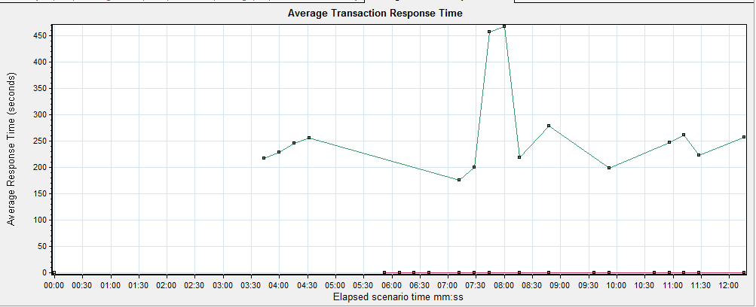

Maximum CPU Utilization- 45%

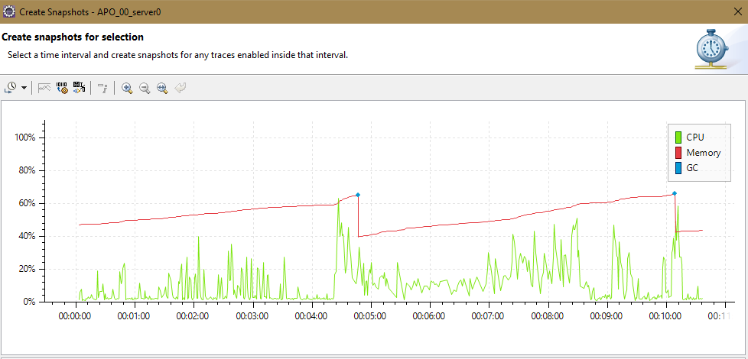

 |  | Transactions RT'!A2

